Sheet1
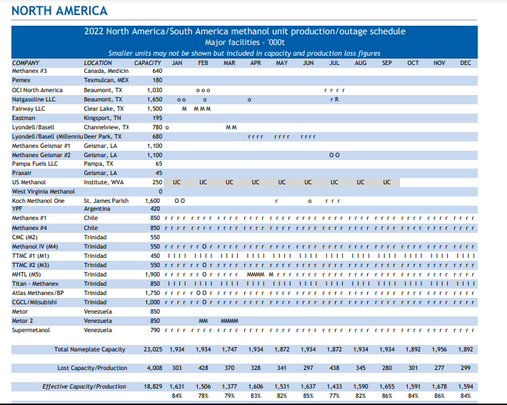
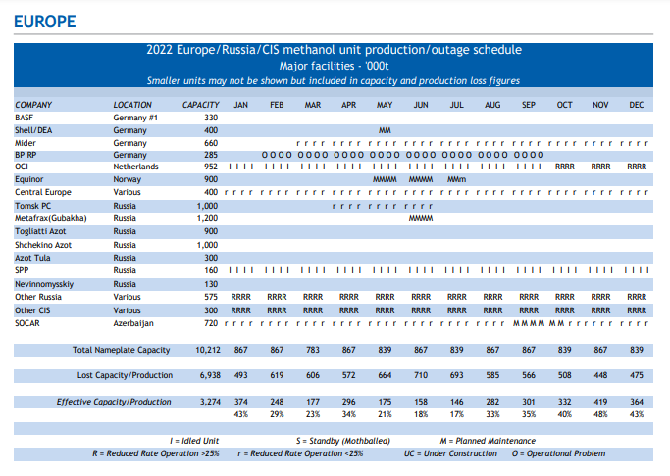
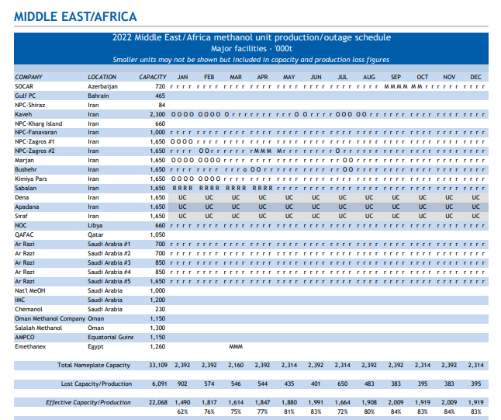
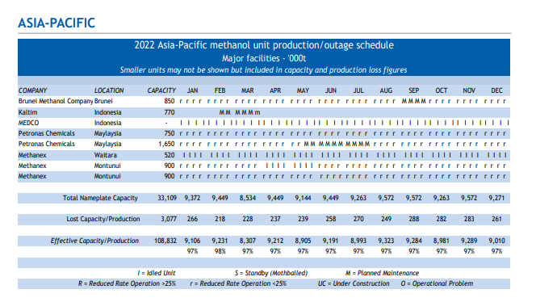
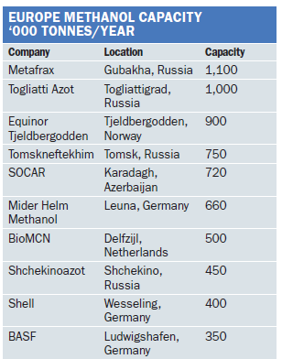

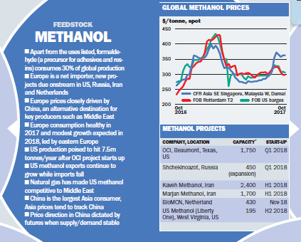

https://coal.gov.in/sites/default/files/ncgm/pmicg-jp.pdf

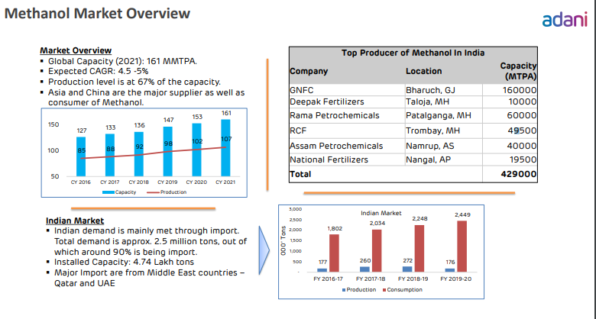

india | https://vikaspedia.in/energy/energy-basics/methanol-economy-in-india#:~:text=India%20has%20an%20installed%20Methanol%20Production%20capacity%20of%202%20MT%20per%20annum.
CAPACITY | https://www.argusmedia.com/-/media/Files/sample-reports/20220729methanol.ashx?la=en&hash=FDAA09E0CEEF4BC55B2AE401739F258E4C56AB97
 | here are 5 main producers of methanol in India – Gujarat Narmada Valley Fertilizer & Chemicals limited, Deepak Fertilizers, Rashtriya Chemicals and Fertilizers, Assam Petrochemicals and National Fertilizers Limited.

Methanex
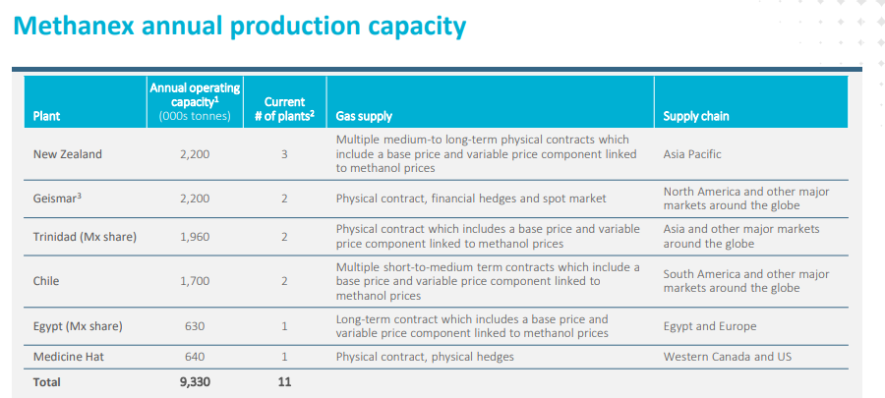

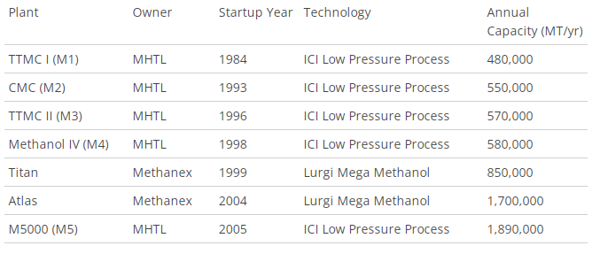

Sheet2
Region | Country | Location | Company | 2015 | 2016 | 2017 | 2018 | 2019 | 2020 | 2021E | Q1 2022 | Q2 2022 | Q3 2022 | Q4 2022 | 2022F | 2023F | 2024F | 2025F | 2026F | 2027F | 2028F | 2029F | 2030F
Asia Pacific | India | Dibrugarh | Assam Petro-Chemicals Ltd | 33 | 33 | 33 | 33 | 33 | 33 | 33 | 8.25 | 8.25 | 8.25 | 8.25 | 33 | 198 | 198 | 198 | 198 | 198 | 198 | 198 | 198
Asia Pacific | India | Bharauch | Gujarat Narmada Valley Fertilizers and Chemicals Ltd | 269.00 | 269.00 | 269.00 | 269.00 | 269.00 | 269.00 | 269.00 | 67.25 | 67.25 | 67.25 | 67.25 | 269.00 | 269.00 | 269.00 | 269.00 | 269.00 | 269.00 | 269.00 | 269.00 | 269.00
Asia Pacific | India | Mumbai | Rashtriya Chemicals & Fertilizers | 0 | 0 | 0 | 0 | 0 | 80 | 80 | 20.00 | 20.00 | 20.00 | 20.00 | 80 | 80 | 80 | 80 | 80 | 80 | 80 | 80 | 80
Asia Pacific | India | Raigarh | Deepak Fertilizer & Chemicals Ltd | 100 | 100 | 100 | 100 | 100 | 100 | 100 | 25.00 | 25.00 | 25.00 | 25.00 | 100 | 100 | 100 | 100 | 100 | 100 | 100 | 100 | 100
Asia Pacific | India | Vadodara | Gujarat State Fertilizers & Chemicals Ltd | 0 | 0 | 0 | 0 | 0 | 173 | 173 | 43.25 | 43.25 | 43.25 | 43.25 | 173 | 173 | 173 | 173 | 173 | 173 | 173 | 173 | 173
Asia Pacific | India | Dankuni | Coal India Ltd | 0 | 0 | 0 | 0 | 0 | 0 | 0 | 0.00 | 0.00 | 0.00 | 0.00 | 0 | 0 | 670 | 670 | 670 | 670 | 670 | 670 | 670
Asia Pacific | China | Xuwei | Shenhua Ningxia Coal Industry Company | 250 | 250 | 250 | 250 | 250 | 250 | 250 | 62.50 | 62.50 | 62.50 | 62.50 | 250 | 250 | 250 | 250 | 250 | 250 | 250 | 250 | 250
Asia Pacific | China | Hami | Datang Inner Mongolia Duolun Coal Chemical Company | 1667 | 1667 | 1667 | 1667 | 1667 | 1667 | 1667 | 416.75 | 416.75 | 416.75 | 416.75 | 1667 | 1667 | 1667 | 1667 | 1667 | 1667 | 1667 | 1667 | 1667
Asia Pacific | China | Mongolia | Jiangsu Sierbang PC Co Ltd | 3600 | 3600 | 3600 | 3600 | 3600 | 3600 | 3600 | 900.00 | 900.00 | 900.00 | 900.00 | 3600 | 3600 | 3600 | 3600 | 3600 | 3600 | 3600 | 3600 | 3600
Asia Pacific | China | Hongtong | Hami Hengyou Energy Chemical Tech Co Ltd | 700 | 700 | 700 | 700 | 700 | 700 | 700 | 175.00 | 175.00 | 175.00 | 175.00 | 700 | 700 | 700 | 700 | 700 | 700 | 700 | 700 | 700
Asia Pacific | China | Mongolia | Inner Mongolia Ruizhi Modern Coal Chemical Tech Co Ltd | 0 | 0 | 0 | 0 | 0 | 0 | 175 | 43.75 | 43.75 | 43.75 | 43.75 | 175 | 175 | 175 | 175 | 175 | 175 | 175 | 175 | 175
Asia Pacific | China | Ningxia | Shanxi Coking Coal Group | 300 | 300 | 300 | 300 | 300 | 300 | 900 | 225.00 | 225.00 | 225.00 | 225.00 | 900 | 900 | 900 | 900 | 900 | 900 | 900 | 900 | 900
Asia Pacific | China | Xilingol | China Coal Ordos | 1000 | 1000 | 1000 | 1000 | 1000 | 1000 | 1000 | 250.00 | 250.00 | 250.00 | 250.00 | 1000 | 1000 | 1000 | 1000 | 1000 | 1000 | 1000 | 1000 | 1000
Asia Pacific | China | Mongolia | Jiutai Energy Inner Mongolia Co., Ltd. | 1300 | 1300 | 1300 | 1300 | 1300 | 1300 | 2300 | 575.00 | 575.00 | 575.00 | 575.00 | 2300 | 2300 | 2300 | 2300 | 2300 | 2300 | 2300 | 2300 | 2300
Asia Pacific | China | Yankunf | Yankuang Group Company Limited | 1640 | 1640 | 1640 | 1640 | 1640 | 1640 | 1640 | 410.00 | 410.00 | 410.00 | 410.00 | 1640 | 1640 | 1640 | 1640 | 1640 | 1640 | 1640 | 1640 | 1640
Asia Pacific | China | Mongolia | Sinopec | 1700 | 1700 | 1700 | 1700 | 1700 | 1700 | 5300 | 1325.00 | 1325.00 | 1325.00 | 1325.00 | 5300 | 5300 | 5300 | 5300 | 5300 | 5300 | 5300 | 5300 | 5300
Asia Pacific | China | Hongtong | China BlueChemical Ltd. | 3400 | 3400 | 3400 | 3400 | 3400 | 3400 | 3400 | 850.00 | 850.00 | 850.00 | 850.00 | 3400 | 3400 | 3400 | 3400 | 3400 | 3400 | 3400 | 3400 | 3400
Asia Pacific | China | Mongolia | State Power Investment Corporation | 0 | 0 | 0 | 0 | 0 | 0 | 0 | 0.00 | 0.00 | 0.00 | 0.00 | 0 | 1800 | 1800 | 1800 | 1800 | 1800 | 1800 | 1800 | 1800
Asia Pacific | China | Mongolia | Ordos Jinchengtai Chemical Co., Ltd. | 0 | 0 | 0 | 0 | 0 | 300 | 300 | 75.00 | 75.00 | 75.00 | 75.00 | 300 | 300 | 300 | 300 | 300 | 300 | 300 | 300 | 300
Asia Pacific | China | Jining | China National Coal Group | 0 | 0 | 0 | 0 | 0 | 1000 | 1000 | 250.00 | 250.00 | 250.00 | 250.00 | 1000 | 1000 | 1000 | 1000 | 1000 | 1000 | 1000 | 1000 | 1000
Asia Pacific | China | Shihezi | Datang International Kttengtengqi Coal To Natural Gas Co., Ltd | 0 | 0 | 0 | 0 | 0 | 800 | 800 | 200.00 | 200.00 | 200.00 | 200.00 | 800 | 800 | 800 | 800 | 800 | 800 | 800 | 800 | 800
Asia Pacific | China | Huainan | Inner Mongolia Ural Mountain Chemical Fertilizer Co Ltd | 0 | 0 | 0 | 0 | 0 | 0 | 200 | 50.00 | 50.00 | 50.00 | 50.00 | 200 | 200 | 200 | 200 | 200 | 200 | 200 | 200 | 200
Asia Pacific | Malaysia | Kaula Lampur | PETRONAS Chemicals Group Berhad | 2400 | 2400 | 2400 | 2400 | 2400 | 2400 | 2400 | 600.00 | 600.00 | 600.00 | 600.00 | 2400 | 2400 | 2400 | 2400 | 2400 | 2400 | 2400 | 2400 | 2400
Asia Pacific | Indonesia | Jakarta | PT Kaltim Methanol Industry | 660 | 660 | 660 | 660 | 660 | 660 | 660 | 165.00 | 165.00 | 165.00 | 165.00 | 660 | 660 | 660 | 660 | 660 | 660 | 660 | 660 | 660
Asia Pacific | Australia | Melbourne | Methanol Australia Limited | 3500 | 3500 | 3500 | 3500 | 3500 | 3500 | 3500 | 875.00 | 875.00 | 875.00 | 875.00 | 3500 | 3500 | 3500 | 3500 | 3500 | 3500 | 3500 | 3500 | 3500
Asia Pacific | Waitara | New Zealand | Methanex Corporation |  |  |  |  |  |  | 520
Asia Pacific | Montunui | New Zealand | Methanex Corporation |  |  |  |  |  |  | 900
Asia Pacific | Montunui | New Zealand | Methanex Corporation |  |  |  |  |  |  | 900
Asia Pacific | Australia | Laverton, Victoria | Coogee | 70 | 70 | 70 | 70 | 70 | 70 | 70 | 17.50 | 17.50 | 17.50 | 17.50 | 70 | 70 | 1000 | 1000 | 1000 | 1000 | 1000 | 1000 | 1000
Europe | Germany | Ludwigshafen | BASF | 0 | 0 | 0 | 480 | 480 | 480 | 480 | 120.00 | 120.00 | 120.00 | 120.00 | 480 | 480 | 480 | 480 | 480 | 480 | 480 | 480 | 480
Europe | Germany | Gelsenkirchen | BP Refining & Petrochemicals | 300 | 300 | 300 | 300 | 300 | 300 | 300 | 75.00 | 75.00 | 75.00 | 75.00 | 300 | 300 | 300 | 300 | 300 | 300 | 300 | 300 | 300
Europe | Germany | Leuna | MSK | 200 | 200 | 200 | 200 | 200 | 200 | 200 | 50.00 | 50.00 | 50.00 | 50.00 | 200 | 200 | 200 | 200 | 200 | 200 | 200 | 200 | 200
Europe | Germany | Wesseling | UCC Shchekino Azot | 500 | 500 | 500 | 950 | 950 | 950 | 1450 | 362.50 | 362.50 | 362.50 | 362.50 | 1450 | 1450 | 1450 | 1450 | 1450 | 1450 | 1450 | 1450 | 1450
Europe | Russia | Russia | PJSC Metafrax | 900 | 900 | 1180 | 1180 | 1180 | 1180 | 1180 | 295.00 | 295.00 | 295.00 | 295.00 | 1180 | 1180 | 1180 | 1180 | 1180 | 1180 | 1180 | 1180 | 1180
Europe | Russia | Nevinnomyssk | Mider-Helm Methanol | 660 | 660 | 660 | 660 | 660 | 660 | 660 | 165.00 | 165.00 | 165.00 | 165.00 | 660 | 660 | 660 | 660 | 660 | 660 | 660 | 660 | 660
Europe | Russia | Shchekino | Nevinnomyssk Azot | 130 | 130 | 130 | 130 | 130 | 130 | 130 | 32.50 | 32.50 | 32.50 | 32.50 | 130 | 130 | 130 | 130 | 130 | 130 | 130 | 130 | 130
Europe | Russia | Gubakha | Shell & DEA Oil | 400 | 400 | 400 | 400 | 400 | 400 | 400 | 100.00 | 100.00 | 100.00 | 100.00 | 400 | 400 | 400 | 400 | 400 | 400 | 400 | 400 | 400
Europe | Russia | Tomsk | Togliatti Azot | 900 | 900 | 900 | 900 | 900 | 900 | 900 | 225.00 | 225.00 | 225.00 | 225.00 | 900 | 900 | 900 | 900 | 900 | 900 | 900 | 900 | 900
Europe | Russia | Tomsk | Tomskneftekhim | 750 | 750 | 750 | 750 | 750 | 750 | 750 | 187.50 | 187.50 | 187.50 | 187.50 | 750 | 750 | 750 | 750 | 750 | 750 | 750 | 750 | 750
Europe | Spain | Madrid | Repsol YPF | 411 | 411 | 411 | 411 | 411 | 411 | 411 | 102.75 | 102.75 | 102.75 | 102.75 | 411 | 411 | 411 | 411 | 411 | 411 | 411 | 411 | 411
North America | USA | Texas | Fairway LLC | 1300 | 1300 | 1300 | 1300 | 1300 | 1300 | 1300 | 325.00 | 325.00 | 325.00 | 325.00 | 1300 | 1700 | 1700 | 1700 | 1700 | 1700 | 1700 | 1700 | 1700
North America | USA | West Virginia | US Methanol | 0 | 0 | 0 | 0 | 0 | 0 | 0 | 50.00 | 50.00 | 50.00 | 50.00 | 200 | 200 | 200 | 200 | 200 | 200 | 200 | 200 | 200
North America | USA | Geismer | Methanex Corporation | 2000 | 2000 | 2000 | 2000 | 2000 | 2000 | 2200 | 550.00 | 550.00 | 550.00 | 550.00 | 2200 | 2200 | 2200 | 2200 | 2200 | 2200 | 2200 | 2200 | 2200
North America | USA | Texas | LyondellBasell Industries BV | 780 | 780 | 780 | 780 | 780 | 780 | 780 | 195.00 | 195.00 | 195.00 | 195.00 | 780 | 780 | 780 | 780 | 780 | 780 | 780 | 780 | 780
North America | USA | Texas | OCI Beaumont | 879 | 879 | 879 | 879 | 1004 | 1004 | 1004 | 251.00 | 251.00 | 251.00 | 251.00 | 1004 | 1004 | 1004 | 1004 | 1004 | 1004 | 1004 | 1004 | 1004
North America | USA | Tennessee | Eastman Chemical | 195 | 195 | 195 | 195 | 195 | 195 | 195 | 48.75 | 48.75 | 48.75 | 48.75 | 195 | 195 | 195 | 195 | 195 | 195 | 195 | 195 | 195
North America | USA | Louisiana | Yuhuang Chemical Industries Inc. | 0 | 0 | 0 | 850 | 1700 | 1700 | 1700 | 425.00 | 425.00 | 425.00 | 425.00 | 1700 | 1700 | 1700 | 1700 | 1700 | 1700 | 1700 | 1700 | 1700
North America | Canada | Alberta | Methanex Corporation | 600 | 600 | 600 | 600 | 600 | 600 | 640 | 160.00 | 160.00 | 160.00 | 160.00 | 640 | 640 | 640 | 640 | 640 | 640 | 640 | 640 | 640
North America | Canada | Alberta | Nauticol Energy | 0 | 0 | 0 | 0 | 0 | 0 | 0 | 0.00 | 0.00 | 0.00 | 0.00 | 0 | 3400 | 3400 | 3400 | 3400 | 3400 | 3400 | 3400 | 3400
MEA | Saudi Arabia | Al-Jubail | Saudi Arabia Basic Industries Corporation (SABIC) | 4900 | 4900 | 4900 | 4900 | 4900 | 4900 | 4900 | 1225.00 | 1225.00 | 1225.00 | 1225.00 | 4900 | 5300 | 5300 | 5300 | 5300 | 5300 | 5300 | 5300 | 5300
MEA | Saudi Arabia | Riyadh | Sipchem | 967 | 967 | 967 | 967 | 967 | 967 | 967 | 241.75 | 241.75 | 241.75 | 241.75 | 967 | 967 | 967 | 967 | 967 | 967 | 967 | 967 | 967
MEA | Saudi Arabia | Al-Jubail | Mitsubishi Gas Chemical | 4850 | 4850 | 4850 | 4850 | 4850 | 4850 | 4850 | 1212.50 | 1212.50 | 1212.50 | 1212.50 | 4850 | 4850 | 4850 | 4850 | 4850 | 4850 | 4850 | 4850 | 4850
MEA | Saudi Arabia | Al-Jubail | Gulf Petrochemical Industries Company | 425 | 425 | 425 | 425 | 425 | 425 | 425 | 106.25 | 106.25 | 106.25 | 106.25 | 425 | 425 | 425 | 425 | 425 | 425 | 425 | 425 | 425
MEA | South Africa | Equatorial Guinea | Atlantic Methanol | 1000 | 1000 | 1000 | 1000 | 1000 | 1000 | 1000 | 250.00 | 250.00 | 250.00 | 250.00 | 1000 | 1000 | 1000 | 1000 | 1000 | 1000 | 1000 | 1000 | 1000
MEA | Damietta, Egypt |  | Methanex Corporation | 1300 | 1300 | 1300 | 1300 | 1300 | 1300 | 1300
South America | Chile |  | Methanex Corporation | 1700
South America | Trinidad |  | Methanex Corporation | 850
South America | Trinidad |  | Methanex Corporation | 1750
South America | Trinidad |  | Methanol Holdings (Trinidad) Limited (MHTL) | 550
South America | Trinidad |  | Methanol Holdings (Trinidad) Limited (MHTL) | 550
South America | Trinidad |  | Methanol Holdings (Trinidad) Limited (MHTL) | 450
South America | Trinidad |  | Methanol Holdings (Trinidad) Limited (MHTL) | 550
South America | Trinidad |  | Methanol Holdings (Trinidad) Limited (MHTL) | 1900
South America | Trinidad |  | CGCL/Mitsubishi | 1000
North America | Texmulcan, Mexico |  | Pemex | 180
North America | Beaumont, Texas |  | Natgasoline LLC | 0 | 0 | 0 | 1807
North America | Pampa, Texas |  | Pampa Fuels LLC | 40 | 65
North America | Geismar, LA |  | Praxair | 45
North America | Louisiana |  | Koch Methanol One | 1600
South America | Argentina |  | YPF | 420
South America | Venezuela |  | Metor | 850
South America | Venezuela |  | Metor | 850
South America | Venezuela |  | Supermetanol | 790
 |  |  | BioMCN (The Netherlands) | 991
Europe | Netherland |  | BioMCN (The Netherlands) | 991 | 991 | 991 | 991 | 991 | 991 | 991 | 247.75 | 247.75 | 247.75 | 247.75 | 991 | 991 | 991 | 991 | 991 | 991 | 991 | 991 | 991
Europe | Norway |  | Equinor | 900 | 900 | 900 | 900 | 900 | 900 | 900 | 225.00 | 225.00 | 225.00 | 225.00 | 900 | 900 | 900 | 900 | 900 | 900 | 900 | 900 | 900
Europe | Azerbaijan |  | SOCAR | 720 | 720 | 720 | 720 | 720 | 720 | 720 | 180.00 | 180.00 | 180.00 | 180.00 | 720 | 720 | 720 | 720 | 720 | 720 | 720 | 720 | 720
MEA | Iran |  | Kaveh Methanol Petrochemical | 2300 | 2300 | 2300 | 2300 | 2300 | 2300 | 2300
MEA | Iran |  | NPC-Kharg Island | 660 | 660 | 660 | 660 | 660 | 660 | 660
MEA | Iran |  | NPC-Fanavaran | 1000 | 1000 | 1000 | 1000 | 1000 | 1000 | 1000
MEA | Iran |  | NPC-Zagros | 3300 | 3300 | 3300 | 3300 | 3300 | 3300 | 3300
MEA | Iran |  | Marjan Petrochemical Company | 1650 | 1650 | 1650 | 1650 | 1650 | 1650 | 1650
MEA | Iran |  | Sabalan Petrochemical Company | 1650 | 1650 | 1650 | 1650 | 1650 | 1650 | 1650
MEA | Iran |  | Bushehr Petrochemical Complex | 1650 | 1650 | 1650 | 1650 | 1650 | 1650 | 1650
MEA | Iran |  | Shiraz Petrochemical Complex | 84 | 84 | 84 | 84 | 84 | 84 | 84
MEA | Iran |  | Kimia Pars Middle East Company | 1650 | 1650 | 1650 | 1650 | 1650 | 1650 | 1650
MEA | Iran |  | Apadana Petrochemical Persian Gulf | 1650 | 1650 | 1650 | 1650 | 1650 | 1650 | 1650
MEA
MEA | Qatar |  | QAFAC | 982 | 982 | 982 | 982 | 982 | 982 | 982
MEA | Saudi Arabia |  | Chemanol | 230 | 230 | 230 | 230 | 230 | 230 | 230
MEA | Saudi Arabia |  | Oman Methanol Company | 1150 | 1150 | 1150 | 1150 | 1150 | 1150 | 1150
MEA | Oman |  | Salalah Methanol | 1300 | 1300 | 1300 | 1300 | 1300 | 1300 | 1300
Asia | Brunei |  | Mitsubishi Gas Chemical | 850
MEA | Iran |  | Khark Petrochemical (Shakhark) | 660
 | Indonesia |  | Kaltim |  |  |  |  |  |  | 770

 |  |  |  | 2360

 |  |  | Others | 4850 | 4850 | 4850 | 4850 | 4850 | 4850 | 5000 | 1312.50 | 1312.50 | 1312.50 | 1312.50 | 5250 | 5250 | 5250 | 5250 | 5250 | 5250 | 5250 | 5250 | 5250
Global |  |  | Total | 45636 | 45636 | 45916 | 47696 | 48671 | 51024 | 88596 | 16350 | 16350 | 16350 | 16350 | 65400 | 63704 | 65304 | 65304 | 65304 | 65304 | 65304 | 65304 | 65304

MEA | Damietta, Egypt |  | Methanex Corporation | 1300
South America | Chile |  | Methanex Corporation | 1700
South America | Trinidad |  | Methanex Corporation | 850
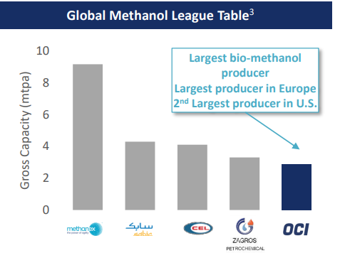
South America | Trinidad |  | Methanex Corporation | 1750
South America | Trinidad |  | Methanol Holdings (Trinidad) Limited (MHTL) | 550
South America | Trinidad |  | Methanol Holdings (Trinidad) Limited (MHTL) | 550
South America | Trinidad |  | Methanol Holdings (Trinidad) Limited (MHTL) | 450
South America | Trinidad |  | Methanol Holdings (Trinidad) Limited (MHTL) | 550
South America | Trinidad |  | Methanol Holdings (Trinidad) Limited (MHTL) | 1900
South America | Trinidad |  | CGCL/Mitsubishi | 1000
North America | Texmulcan, Mexico |  | Pemex | 180
North America | Beaumont, Texas |  | Natgasoline LLC | 0 | 0 | 0 | 1807
North America | Pampa, Texas |  | Pampa Fuels LLC | 40 | 65
North America | Geismar, LA |  | Praxair | 45
North America | Louisiana |  | Koch Methanol One | 1600
South America | Argentina |  | YPF | 420
South America | Venezuela |  | Metor | 850
South America | Venezuela |  | Metor | 850
South America | Venezuela |  | Supermetanol | 790
Europe | Netherland |  | BioMCN (The Netherlands) | 991

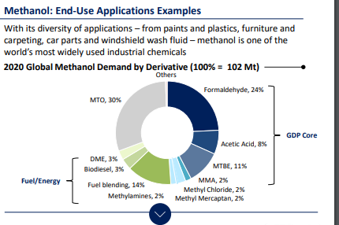

 |  |  | Apr-20 | <ethanex trinidad and chile plant idled due to shortage of natural gas supply

Pricing
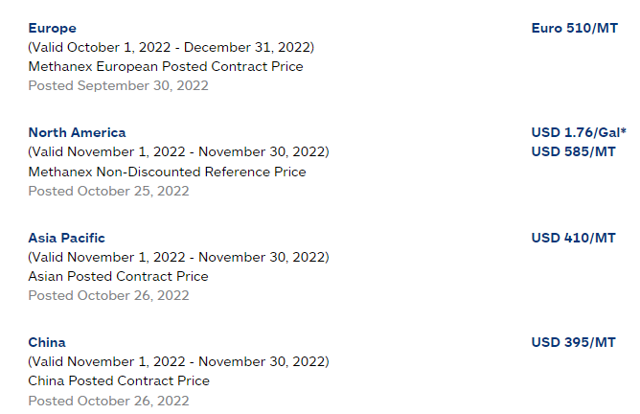
 | China | Netherlands | Germany | Saudi Arabia | USA | APAC | North America | Europe | MEA | APAC | North America | Europe | MEA | ASP
2015 | 338 | 223 | 275 | 312 | 365 | 352 | 378 | 285 | 320 | 0.6514 | 0.1523 | 0.1237 | 0.0416 | 346
2016 | 285 | 267 | 310 | 355 | 323 | 296 | 334 | 321 | 364 | 0.6522 | 0.1517 | 0.1232 | 0.0425 | 308
2017 | 375 | 329 | 365 | 381 | 421 | 390 | 436 | 378 | 391 | 0.6537 | 0.1514 | 0.123 | 0.0432 | 396
2018 | 455 | 404 | 432 | 403 | 362 | 473 | 375 | 447 | 414 | 0.6552 | 0.1506 | 0.1225 | 0.0437 | 452
2019 | 341 | 273 | 299 | 281 | 267 | 355 | 276 | 310 | 289 | 0.6573 | 0.1504 | 0.1223 | 0.0446 | 334
2020 | 301 | 248 | 272 | 226 | 226 | 313 | 234 | 279 | 232 | 0.654 | 0.1492 | 0.1218 | 0.0451 | 293
2021 | 392 | 436 | 461 | 311 | 436 | 408 | 455 | 477 | 319 | 0.6582 | 0.1485 | 0.1216 | 0.0455 | 420
2022 |  |  |  |  |  | 421 | 590 | 525 | 390 | 0.6608 | 0.1482 | 0.1212 | 0.0462 | 458

Demand By End Use
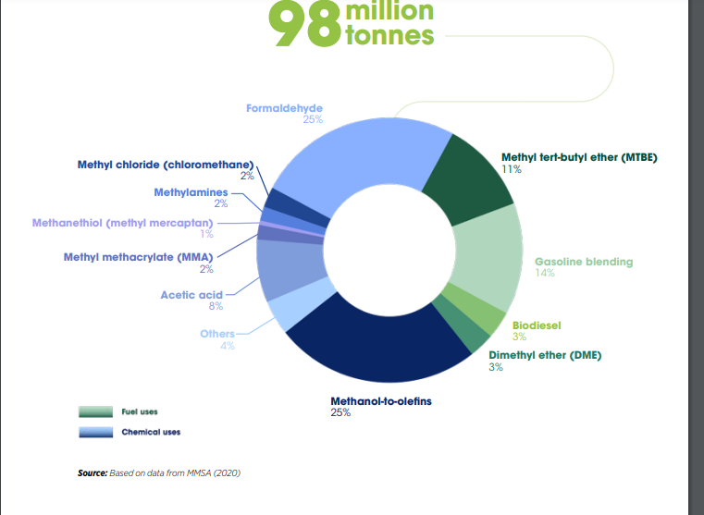
Demand by End Use (%) | 2015 | 2016 | 2017 | 2018 | 2019E | 2020F | 2021F | Q1 | Q2 | Q3 | Q4 | 2022F | 2023F | 2024F | 2025F | 2026F | 2027F | 2028F | 2029F | 2030F | 2031F | 2032F
Formaldehyde | 27.17% | 27.35% | 27.44% | 27.64% | 27.72% | 27.64% | 27.82% | 24.26% | 24.95% | 25.41% | 25.38% | 28.04% | 28.12% | 28.32% | 28.44% | 28.48% | 28.52% | 28.56% | 28.60% | 28.64% | 28.66% | 28.70%
MTO | 22.02% | 22.09% | 22.12% | 22.24% | 22.28% | 22.22% | 22.34% | 23.57% | 24.92% | 25.56% | 25.95% | 22.36% | 22.42% | 22.45% | 22.47% | 22.50% | 22.54% | 22.58% | 22.60% | 22.64% | 22.66% | 22.70%
MTBE | 13.00% | 13.07% | 13.10% | 13.22% | 13.26% | 13.20% | 13.26% | 24.82% | 24.93% | 25.10% | 25.15% | 13.32% | 13.36% | 13.40% | 13.42% | 13.44% | 13.45% | 13.47% | 13.48% | 13.50% | 13.52% | 13.54%
Gasoline Blending | 14.98% | 15.05% | 15.08% | 15.20% | 15.24% | 15.18% | 15.30% | 24.27% | 24.97% | 25.31% | 25.45% | 15.36% | 15.42% | 15.48% | 15.52% | 15.58% | 15.63% | 15.66% | 15.70% | 15.72% | 15.76% | 15.78%
Others | 22.83% | 22.44% | 22.26% | 21.70% | 21.50% | 21.76% | 21.28% | 24.71% | 24.97% | 25.31% | 25.01% | 20.92% | 20.68% | 20.35% | 20.15% | 20.00% | 19.86% | 19.73% | 19.62% | 19.50% | 19.40% | 19.28%

Demand by End Use | 2015 | 2016 | 2017 | 2018 | 2019E | 2020F | 2021F | Q1 | Q2 | Q3 | Q4 | 2022F | 2023F | 2024F | 2025F | 2026F | 2027F | 2028F | 2029F | 2030F | 2031F | 2032F
Formaldehyde | 19972.27 | 20760.99 | 21464.77 | 22559.57 | 23830.1 | 23076.21 | 24294.62 | 6148.4 | 6323.27 | 6439.85 | 6432.26 | 25343.78 | 26336.15 | 27531.35 | 28759.46 | 30015.27 | 31343.88 | 32756.35 | 34245.53 | 35822.91 | 37482.59 | 39276.52 | 4.48%
MTO | 16186.58 | 16768.2 | 17303.23 | 18152.13 | 19153.48 | 18551.14 | 19509.05 | 4763.48 | 5036.32 | 5165.66 | 5244.49 | 20209.95 | 20997.74 | 21824.82 | 22722.4 | 23712.9 | 24771.78 | 25897.7 | 27061.15 | 28318.11 | 29635.57 | 31065.4 | 4.39%
MTBE | 9556.11 | 9921.25 | 10247.39 | 10790.07 | 11399.25 | 11020.48 | 11579.68 | 2988.13 | 3001.37 | 3021.84 | 3027.86 | 12039.2 | 12512.48 | 13026.84 | 13570.74 | 14164.51 | 14781.74 | 15449.16 | 16140.9 | 16885.8 | 17681.95 | 18529.76 | 4.41%
Gasoline Blending | 11011.58 | 11424.24 | 11796.24 | 12406.13 | 13101.4 | 12673.55 | 13361.17 | 3369.41 | 3466.6 | 3513.8 | 3533.23 | 13883.04 | 14441.8 | 15048.92 | 15694.33 | 16419.87 | 17177.59 | 17960.94 | 18799.12 | 19662.57 | 20611.5 | 21595.25 | 4.52%
Others | 16782 | 17033.88 | 17412.75 | 17711.39 | 18482.94 | 18167.09 | 18583.38 | 4672.27 | 4721.43 | 4785.72 | 4728.99 | 18908.41 | 19368.12 | 19783.3 | 20376.34 | 21078.14 | 21826.42 | 22628.95 | 23492.91 | 24390.6 | 25372.03 | 26385.07 | 3.39%
 | 73508.54 | 75908.56 | 78224.38 | 81619.29 | 85967.17 | 83488.47 | 87327.9 |  |  |  |  | 90384.38 | 93656.29 | 97215.23 | 101123.27 | 105390.69 | 109901.41 | 114693.1 | 119739.61 | 125079.99 | 130783.64 | 136852
 | -0.01 | -0.01 | 0.00 | 0.00 | 0.01 | 0.01 | 0.00 |  |  |  |  | 0.00 | 0.00 | 0.00 | -0.01 | 0.01 | 0.00 | -0.01 | 0.01 | 0.00 | 0.00 | 0.00
VALUE MARKET

Demand by End Use (%) | 2015 | 2016 | 2017 | 2018 | 2019E | 2020F | 2021F | Q1 | Q2 | Q3 | Q4 | 2022F | 2023F | 2024F | 2025F | 2026F | 2027F | 2028F | 2029F | 2030F | 2031F | 2032F
Formaldehyde | 25.75% | 25.93% | 26.02% | 26.22% | 26.30% | 26.22% | 26.40% | 24.26% | 24.95% | 25.41% | 25.38% | 26.62% | 26.70% | 26.90% | 27.02% | 27.06% | 27.10% | 27.14% | 27.18% | 27.22% | 27.24% | 27.28%
MTO | 21.26% | 21.33% | 21.36% | 21.48% | 21.52% | 21.46% | 21.58% | 23.57% | 24.92% | 25.56% | 25.95% | 21.60% | 21.66% | 21.69% | 21.71% | 21.74% | 21.78% | 21.82% | 21.84% | 21.88% | 21.90% | 21.94%
MTBE | 13.40% | 13.47% | 13.50% | 13.62% | 13.66% | 13.60% | 13.66% | 24.82% | 24.93% | 25.10% | 25.15% | 13.72% | 13.76% | 13.80% | 13.82% | 13.84% | 13.85% | 13.87% | 13.88% | 13.90% | 13.92% | 13.94%
Gasoline Blending | 15.20% | 15.27% | 15.30% | 15.42% | 15.46% | 15.40% | 15.52% | 24.27% | 24.97% | 25.31% | 25.45% | 15.58% | 15.64% | 15.70% | 15.74% | 15.80% | 15.85% | 15.88% | 15.92% | 15.94% | 15.98% | 16.00%
Others | 24.39% | 24.00% | 23.82% | 23.26% | 23.06% | 23.32% | 22.84% | 24.71% | 24.97% | 25.31% | 25.01% | 22.48% | 22.24% | 21.91% | 21.71% | 21.56% | 21.42% | 21.29% | 21.18% | 21.06% | 20.96% | 20.84%

Demand by End Use | 2015 | 2016 | 2017 | 2018 | 2019E | 2020F | 2021F | Q1 | Q2 | Q3 | Q4 | 2022F | 2023F | 2024F | 2025F | 2026F | 2027F | 2028F | 2029F | 2030F | 2031F | 2032F
Formaldehyde | 6624.96 | 6101.76 | 8141.59 | 9630.26 | 7461.09 | 6348.29 | 9682.92 | 2685.04 | 2761.4 | 2812.32 | 2808.99 | 11067.75 | 11752.93 | 12552.43 | 13388.52 | 14259.36 | 15189.47 | 16186.41 | 17248.97 | 18385.26 | 19594 | 20906.61
MTO | 5469.77 | 5019.3 | 6683.49 | 7889.32 | 6105.04 | 5195.82 | 7915.05 | 2116.72 | 2237.96 | 2295.44 | 2330.47 | 8980.59 | 9534.4 | 10121.27 | 10757.39 | 11455.97 | 12207.63 | 13013.54 | 13860.1 | 14778.45 | 15752.89 | 16814.18
MTBE | 3447.55 | 3169.71 | 4224.12 | 5002.45 | 3875.23 | 3292.78 | 5010.18 | 1415.82 | 1422.09 | 1431.79 | 1434.64 | 5704.34 | 6056.94 | 6439.54 | 6847.87 | 7293.04 | 7762.89 | 8272.13 | 8808.52 | 9388.5 | 10012.8 | 10683.21
Gasoline Blending | 3910.65 | 3593.28 | 4787.33 | 5663.56 | 4385.87 | 3728.59 | 5692.38 | 1572.13 | 1617.47 | 1639.5 | 1648.57 | 6477.67 | 6884.49 | 7326.14 | 7799.23 | 8325.86 | 8883.88 | 9470.9 | 10103.15 | 10766.38 | 11494.57 | 12261.94
Others | 6275.06 | 5647.6 | 7453.22 | 8543.09 | 6541.93 | 5646.16 | 8377.19 | 2309.51 | 2333.81 | 2365.59 | 2337.56 | 9346.47 | 9789.71 | 10223.93 | 10757.39 | 11361.12 | 12005.85 | 12697.45 | 13441.25 | 14224.6 | 15076.74 | 15971.18
 | 25727.99 | 23531.65 | 31289.75 | 36728.68 | 28369.16 | 24211.64 | 36677.72 |  |  |  |  | 41576.82 | 44018.47 | 46663.31 | 49550.4 | 52695.35 | 56049.72 | 59640.43 | 63461.99 | 67543.19 | 71931 | 76637.12
 | 0 | -0.0099999999984 | 0 | 0 | 0 | -0.0099999999984 | 0 |  |  |  |  | 0.010000000002 | 0.010000000002 | 0 | -0.010000000009 | 0.010000000009 | 0 | 0.010000000009 | 0 | 0 | 0 | 0

Snapshot
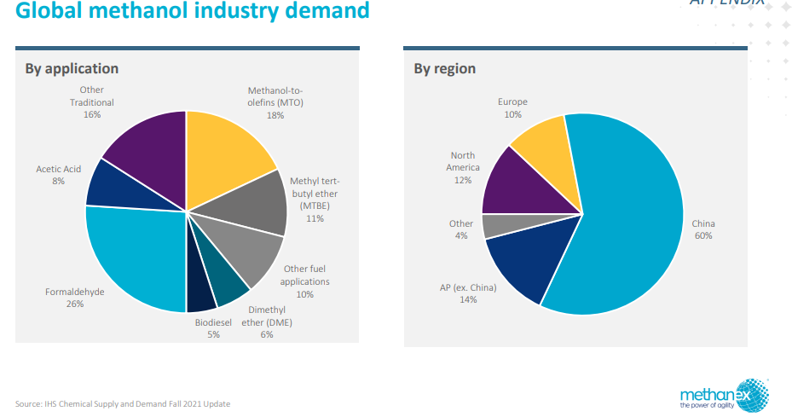
https://www.irena.org/-/media/Files/IRENA/Agency/Publication/2021/Jan/IRENA_Innovation_Renewable_Methanol_2021.pdf

